README
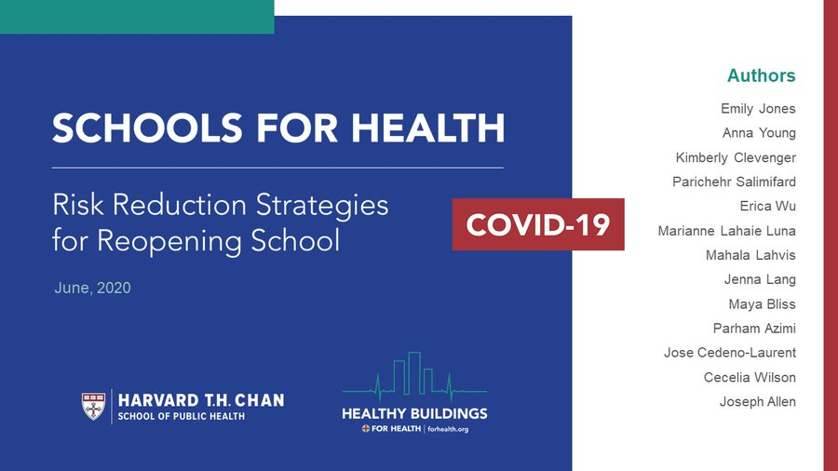
HARVARD - CU BOULDER PORTABLE AIR CLEANER CALCULATOR FOR SCHOOLS.v1
AUTHORS | Joseph Allen |  | Healthy Buildings Program, Harvard T.H. Chan School of Public Heatlh
 | Jose Cedeno-Laurent |  | Healthy Buildings Program, Harvard T.H. Chan School of Public Health
 | Shelly Miller |  | Mechanical Engineering, College of Engineering and Applied Science, University of Colorado Boulder
ABOUT | This tool supports the Harvard 'Schools for Health' report on risk reduction strategies for schools and should not be used in isolation
 | Link to full report: https://schools.forhealth.org/risk-reduction-strategies-for-reopening-schools/
 | This guidance does not supercede guidance from CDC, WHO, state and local guidance, or other bodies
 | It is provided to support efforts to supplement outside air ventilation with air cleaning using well established particle filtration strategies
DATE | 2020-08-05
VERSION | v1.1
LINK TO FILE | https://docs.google.com/spreadsheets/d/1NEhk1IEdbEi_b3wa6gI_zNs8uBJjlSS-86d4b7bW098/edit#gid=0
SHORT URL | https://tinyurl.com/portableaircleanertool
 | check back often for updates!
IMPORTANT | This tool is intended to simplify decision-making around portable air cleaners in schools for airborne transmission control (it can also be applied to residential or office air cleaning, noting differences in ventilation practices and occupancy).
 | Airborne transmission is not the only mode of transmission, therefore additional risk reduction strategies are required
 | UNIVERSAL MASK WEARING SHOULD BE REQUIRED AND SOCIAL DISTANCING MORE THAN 6 FEET (~2 meters) IS EMPHASIZED
 | Read the DISCLAIMER at bottom of this worksheet
 | Schools should open when community spread is controlled and this guidance should come from the local public health officials
 | For information on when to open based on community spread: https://globalhealth.harvard.edu/path-to-zero-schools-achieving-pandemic-resilient-teaching-and-learning-spaces/
NOTES
 | Quick 'rule of thumb' selection guide for portable air cleaners
 |  | Look for portable air purifier with HEPA filter
 |  | Look for high clean air delivery rate
 |  | Avoid add-ons (e.g., ionizers, ultraviolet lights)
 | Placement of the device matters
 |  | The calculations are based on a simple-box model that assumes equal-mixing in a room
 |  | Avoid having air blow across individuals
 |  | In the absence of additional information place air cleaner in the middle of the room
 | Basis for targeting 5 total air changes per hour (ACH) from outdoor air ventilation + portable air cleaner
 |  | Goal is a total of 5 air changes per hour
 |  | 5 air changes per hour means that the air inside will be exchanged with clean air on average 5 times an hour
 |  | And it will take (1/5)*60*3=36 min to clear the air from contamination completely
 |  | The design standard for minimum ventilation in classrooms is approximately 3 ACH (see below)
 |  | Many classrooms do not meet this minimum; a few will provide higher ventilation
 |  | The impacts of ventilation and air cleaning are additive (e.g., ventilation of 3 ACH + air cleaning of 2 ACH = 5 ACH)
 |  | You can add multiple air purifiers to a room to achieve a higher ACH (e.g., putting in two devices, each with 2 ACH, will equal 4 ACH total)
 | Understanding CADR
 |  | Clean air delivery rate is a combination of filter performance and also how much air passes through that filter (e.g., a device with a great filter but no air passing through is not effective)
 |  | HEPA filters capture >99.97% of airborne particles, so look for devices with HEPA filters
 |  | Next, look for a high CADR, which is in units of cfm, or cubic feet per minute
 |  | CADR is determined for different particle sizes; use the smoke or dust rating
 | Filter types and when to change them
 |  | Look for devices with HEPA filters, and change them according to manufacturer recommendations
 |  | Many devices come with a charcoal filter. This treatment can be useful for reducing concentrations of gas-phase pollutants.This filter needs to be changed often and has no impact on viruses.
 | Basis for assuming ~3 ACH of outdoor air ventilation as the design standard for schools is ASHRAE 62.1 (2019)
 |  |  |  |  |  |  |  | Calcs based on ASHRAE
 |  | ASHRAE |  |  |  |  |  | 500 | sq ft room* |  | 1000 | sqft room*
 |  |  |  | cfm/person | cfm/sq ft | Default occupancy (per 1000 sq ft) |  | cfm | cfm/person | ACH | cfm | cfm/person | ACH
 |  | Classrooms | 5-8 year olds | 10 | 0.12 | 25 |  | 185.0 | 14.8 | 2.8 | 370.0 | 14.8 | 2.8
 |  |  | 9+ years old | 10 | 0.12 | 35 |  | 235.0 | 13.4 | 3.5 | 470.0 | 13.4 | 3.5
 |  |  |  |  |  |  |  | *assumes 8 foot ceiling |  |  | *assumes 8 foot ceiling
 |  |  |  |  |  |  |  | ** metric units at the bottom of README page
ADDITIONAL HELPFUL RESOURCES

 | Air cleaner guidance, effectiveness
 |  | Kirkman, Zhai, Miller |  | Effectiveness of Air Cleaners for Removal of Virus-Containing Respiratory Droplets. Recommendations for Air Cleaner Selection for Campus Spaces
 |  |  |  | https://shellym80304.files.wordpress.com/2020/06/air-cleaner-report.pdf
 |  | Offermann et al. 1985 |  | Control of respirable particles in indoor air with portable air cleaners
 |  |  |  | https://www.sciencedirect.com/science/article/abs/pii/0004698185900034
 |  | Miller et al. 1996 |  | Effectiveness of in-room air filtration for tuberculosis control in healthcare settings
 |  |  |  | https://shellym80304.files.wordpress.com/2020/06/miller-leiden-et-al-1996.pdf
 |  | Shaughnessy and Sextro 2006 |  | What is an effective portable air cleaning device? A review
 |  |  |  | https://www.tandfonline.com/doi/full/10.1080/15459620600580129?casa_token=90BksVnsPBcAAAAA%3ALI6QfCsrlFVElAHpOtdgvVOt9OjRQ1PN5aMvJbnn5ohUg58Hy1H3DZ8HjfJybl3K9vRO6XyK5HUeXg
 |  | California Air Resources Board |  | https://ww2.arb.ca.gov/our-work/programs/air-cleaners-ozone-products/california-certified-air-cleaning-devices
 |  | Association of Home Appliance Manufacturers |  |  | https://ahamverifide.org
 | General information on air cleaners
 |  | U.S. EPA |  | Air cleaners and air filters in the home
 |  |  |  | https://www.epa.gov/indoor-air-quality-iaq/air-cleaners-and-air-filters-home
 |  |  |  | https://pubmed.ncbi.nlm.nih.gov/16531290/
 | Typical ventilation rates in schools
 |  | Shaughnessy et al, 2006 |  | A preliminary study on the associations between ventilation rates in classrooms and student performance
 |  |  |  | https://pubmed.ncbi.nlm.nih.gov/17100667/
 | Resource for parents and teachers
 |  | Allen, Corsi, Gall, Clevenger, Lang, Jone |  | 20 questions to ask before sending your kid back to school
 |  |  |  | https://schools.forhealth.org/risk-reduction-strategies-for-reopening-schools/faqs/

DISCLAIMER
This tool is provided for informational and educational purposes only. It is intended to offer guidance regarding questions about best practices regarding the general selection of portable air cleaners in schools in an effort to reduce the risk of disease transmission, specifically novel coronavirus SARS-CoV-2 and the disease it causes, COVID-19. Adherence to any information included in this tool will not ensure successful treatment in every situation, and the user should acknowledge that there is no “zero risk” scenario, that each building and situation are unique and some of the guidance contained in this document will not apply to all buildings, or countries outside the United States.
Furthermore, the tool should not be deemed inclusive of all proper methods nor exclusive of other methods reasonably directed to obtaining the same results. The tool is in no way intended to override or supersede guidance from government and health organizations, including, without limitation, the Centers for Disease Control and Prevention, the World Health Organization, the United States Government, and or any States. The information contained herein reflects the available information at the time the document was created. The user recognizes that details and information are changing daily, and new information and/or the results of future studies may require revisions to the document (and the general guidance contained therein) to reflect new data. We do not warrant the accuracy or completeness of the guidance in this document and assume no responsibility for any injury or damage to persons or property arising out of or related to any use of the report or for any errors or omissions.

ACRONYMS
 | ACH | air changes per hour
 | cfm | cubic feet per minute
 | sq ft | square feet, measure of area
 | cfm/p | cubic feet per minute per person
 | ASHRAE | American Society of Heating, Refrigerating and Air-Conditioning Engineers
 | HEPA | high efficiency particulate air
 | CADR | clean air delivery rate
 | AHAM | Association of Home Appliance Manufacturers

ASHRAE in metric units |  |  |  |  |  |  | Calcs based on ASHRAE
 | ASHRAE |  |  |  |  |  | 50 | m2 room* |  | 100 | m2 room*
 |  |  | l·s/person | l·s/m2 | Default occupancy (per 100 m2) |  | cfm | cfm/person | ACH | cfm | cfm/person | ACH
 | Classrooms | 5-8 year olds | 5 | 0.6 | 25 |  | 92.5 | 7.4 | 2.8 | 185.0 | 7.4 | 2.8
 |  | 9+ years old | 5 | 0.6 | 35 |  | 117.5 | 6.7 | 3.5 | 235.0 | 6.7 | 3.5
 |  |  |  |  |  |  | *assumes 2.4 m ceiling |  |  | *assumes 2.4 m ceiling

VERSION CONTROL
Version | Date | changes
v1 | 2020-08-04
v1.1 | 2020-08-05 | unit system selection added

